Formula's
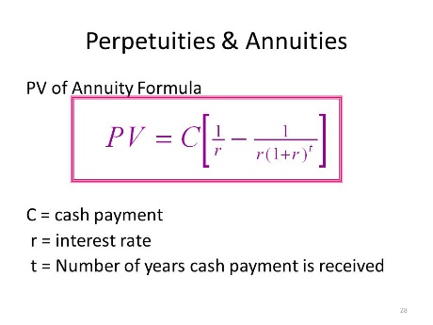
5-10 PRESENT AND FUTURE VALUES FOR DIFFERENT INTEREST RATES, Find the Following values. Compunding/ discounting occurs annually
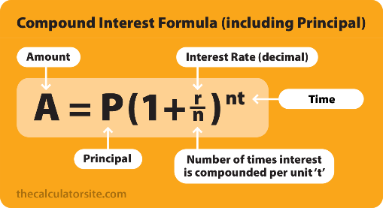
(a),(b)


©, (d)

5-15 PRESENT VALUE OF AN ANNUITY Find the present values of these ordinary annuities

(a)

