RRR(8.3)
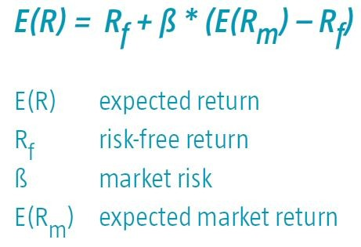
Risk Free Rate |  | 5.50%
Required Return of Market |  | 12%
Beta |  | 2

Required Rate of Return of Stock

Formula
Required Return=Risk Free Return + Systematic Risk Premium
 | 6%+(12%-6%)*2
 | 18%

